Sheet1

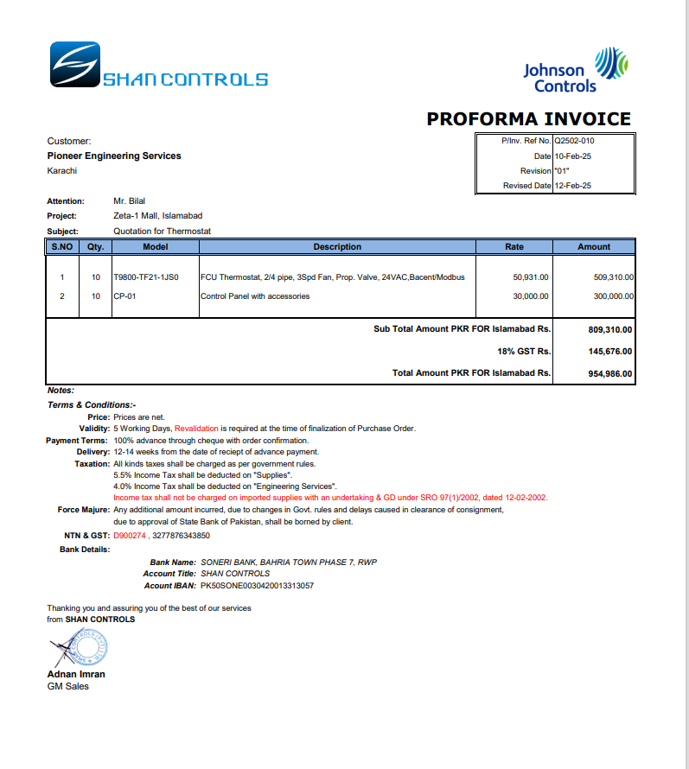

M/S Shan Controls |  |  |  |  | 19-Feb-25
Att: Mr. Imran

PO # 159
Purchase Order

Supply of Thermostat and control panel - J Outlet Zeta Mall Islambad
S No. | D e s c r i p t i o n | Qty | Unit | Rate | Amount
1 | FCU Thermostat | 10 | Nos | 45,000 | 450,000
2 | Control Panel | 10 | Nos | 30,000 | 300,000
Total |  |  |  |  | 750,000 | -

for Pioneer Engineering Services

 |  |  |  |  |  | -
 |  |  |  |  |  | -
 |  |  |  |  |  | -
 |  |  |  |  |  | -
M. BILAL HABIB |  |  |  |  |  | -
 |  |  |  |  |  | -
 |  |  |  |  |  | -
 |  |  |  |  |  | -
 |  |  |  |  |  | -
 |  |  |  |  |  | -
 |  |  |  |  |  | -
 |  |  |  |  |  | -
 |  |  |  |  |  | -
 |  |  |  |  |  | -

